Sheet 1 - Model Pruning Results
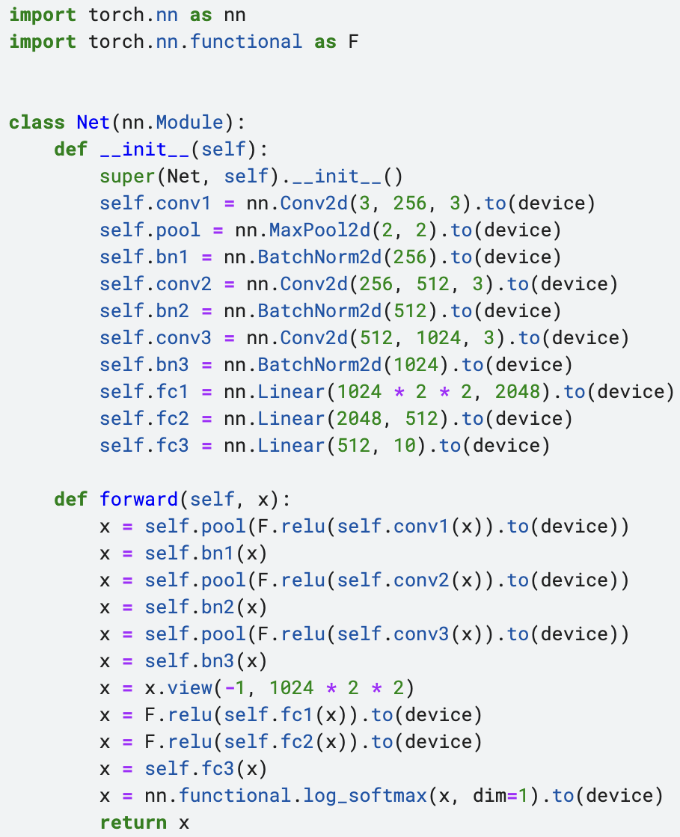
Model Pruning Results
 |  |  |  |  |  |  |  | Unpruned model |  |  |  | Pruned model with only parameters zeroed out |  |  |  | Pruned model with architecture modifications
 | Model Architecture | Purpose | Number of classes | Pruning type | Description | Units pruned | Function calls | Total number of trainable parameters | Accuracy of unpruned model | Test inference time of unpruned model | Size of unpruned model | Number of parameters pruned | % of parameters pruned | Accuracy after pruning | Accuracy drop after pruning | Accuracy after pruning | Accuracy drop after pruning | Test inference time of pruned model | Size of pruned model
1 | CustomArch | Classification on the cifar10 dataset | 10 | Random Unstructured | Randomly prune 40% of the connections | Conv1’s weight & bias | module = net2.conv1 prune.random_unstructured(module, name="weight", amount=0.4) prune.random_unstructured(module, name="bias", amount=0.4) | 15355402 | 79.67% | 0:00:01 | 61.45 MB | 2867 | 0.0187 | 21.66% | 58.01% | — | — | — | —
 |  |  |  |  |  | Conv1’s weight | module = net2.conv1 prune.random_unstructured(module, name="weight", amount=0.4) | 15355402 | 79.67% | 0:00:01 | 61.45 MB | 2765 | 0.018 | 34.88% | 44.79% | — | — | — | —
2 | CustomArch | Classification on the cifar10 dataset | 10 | L1 Unstructured | Prune 40% of the connections based on minimum L1 norm | Conv1’s weight & bias | module = net3.conv1 prune.l1_unstructured(module, name="weight", amount=0.4) prune.l1_unstructured(module, name="bias", amount=0.4) | 15355402 | 79.67% | 0:00:01 | 61.45 MB | 2867 | 0.0187 | 71.45% | 8.22% | — | — | — | —
 |  |  |  |  |  | Conv1’s weight | module = net3.conv1 prune.l1_unstructured(module, name="weight", amount=0.4) | 15355402 | 79.67% | 0:00:01 | 61.45 MB | 2765 | 0.018 | 72.13% | 7.54% | — | — | — | —
3 | CustomArch | Classification on the cifar10 dataset | 10 | Random Structured Pruning | Randomly prune x% of the channels/filters | Conv1’s weight | module = net4.conv1 prune.random_structured(module, name="weight", amount=0.4, dim=0) | 15355402 | 79.67% | 0:00:01 | 61.45 MB | 2754 (40% pruned) | 0.0179 | 66.78% | 12.89% | 70.25% | 9.42% | 0:00:01 | 59.55 MB
 |  |  |  |  |  |  | module = net4.conv1 prune.random_structured(module, name="weight", amount=0.41479, dim=0) | 15355402 | 79.67% | 0:00:01 | 61.45 MB | 2862 (41.479% pruned) | 0.0186 | 70.27% | 9.4% | 63.74% | 15.93% | 0:00:01 | 59.55 MB
4 | CustomArch | Classification on the cifar10 dataset | 10 | Ln Structured Pruning | Pruning x% of the channels based on the channels' Ln norm | Conv1’s weight | module = net5.conv1 prune.ln_structured(module, name="weight", amount=0.4, n=1, dim=0) | 15355402 | 79.67% | 0:00:01 | 61.45 MB | 2754 (n=2, 40% pruned) | 0.0179 | 75.11% | 4.56% | 72.36% | 7.31% | 0:00:01 | 59.55 MB
 |  |  |  |  |  |  | module = net5.conv1 prune.ln_structured(module, name="weight", amount=0.41479, n=1, dim=0) | 15355402 | 79.67% | 0:00:01 | 61.45 MB | 2862 (n=1, 41.479% pruned) | 0.0186 | 74.04% | 5.63% | 71.6% | 8.07% | 0:00:01 | 59.55 MB
5 | CustomArch | Classification on the cifar10 dataset | 10 | Pruning multiple parameters | Using l1_unstructured, prune 30% of connections in all Conv2D layers and prune 40% of the connections in all Linear layers | All Conv and Linear layers’ weight and bias | for name, module in net6.named_modules(): if isinstance(module, torch.nn.Conv2d): prune.l1_unstructured(module, name='weight', amount=0.3) prune.l1_unstructured(module, name='bias', amount=0.3) elif isinstance(module, torch.nn.Linear): prune.l1_unstructured(module, name='weight', amount=0.4) prune.l1_unstructured(module, name='bias', amount=0.4) | 15355402 | 79.67% | 0:00:01 | 61.45 MB | 5550033 | 36.144 | 76.99% | 2.68% | — | — | — | —
6 | CustomArch | Classification on the cifar10 dataset | 10 | Global Pruning | Pruning 75% of connections across the whole model using l1_unstructured | All layers’ weight and bias | parameters_to_prune = ( (net7.conv1, ‘weight’), (net7.bn1, 'weight'), ……., (net7.fc3, ‘bias') ) prune.global_unstructured( parameters_to_prune, pruning_method=prune.L1Unstructured, amount=0.75, ) | 15355402 | 79.67% | 0:00:01 | 61.45 MB | 11516552 | 75.00 | 69.16% | 10.51% | — | — | — | —
7 | CustomArch | Classification on the cifar10 dataset | 10 | Custom Pruning | A unstructured pruning technique that prunes every other entry in a tensor | Conv1’s weight and bias | def custom_unstructured(module, name): CustomPruningMethod.apply(module, name) return module custom_unstructured(net8.conv1, name='weight') custom_unstructured(net8.conv1, name='bias') | 15355402 | 79.67% | 0:00:01 | 61.45 MB | 3584 | 0.0233 | 17.13% | 62.54% | — | — | — | —

8 | VGG16 | Classification on the cifar10 dataset | 10 | Filter Pruning via Geometric Median (FPGM) (40 epochs of iterative pruning+fine-tuning) | A structured pruning technique which prunes the filters closest to the ‘geometric median of all the filters of the conv layer’ | For every convolutional layer: Total number of filters (original) = [64, 64, 128, 128, 256, 256, 256, 512, 512, 512, 512, 512, 512] Number of filters to retain = [32, 64, 128, 128, 256, 256, 256, 256, 256, 256, 256, 256, 256] | Refer: https://github.com/Riddhi-Chatterjee/Model-Pruning/tree/main/FPGM-Experiments/VGG16 | 14710464 | 93.6% | 0:00:02 | 60.03 MB | 6488928 | 44.11% | 93.51% | 0.09% | 93.11% | 0.49% | 0:00:01 | 21.65 MB
9 | VGG16 | Classification on the cifar10 dataset | 10 | Filter Pruning via Geometric Median (FPGM) (160 epochs of iterative pruning+fine-tuning) | A structured pruning technique which prunes the filters closest to the ‘geometric median of all the filters of the conv layer’ | For every convolutional layer: Total number of filters (original) = [64, 64, 128, 128, 256, 256, 256, 512, 512, 512, 512, 512, 512] Number of filters to retain = [32, 64, 128, 128, 256, 256, 256, 256, 256, 256, 256, 256, 256] | Refer: https://github.com/Riddhi-Chatterjee/Model-Pruning/tree/main/FPGM-Experiments/VGG16 | 14710464 | 93.6% | 0:00:02 | 60.03 MB | 6488928 | 44.11% | 93.74% | -0.14% | 93.5% | 0.1% | 0:00:02 | 21.65 MB
10 | VGG16 | Classification on the cifar100 dataset | 100 | Filter Pruning via Geometric Median (FPGM) (160 epochs of iterative pruning+fine-tuning) | A structured pruning technique which prunes the filters closest to the ‘geometric median of all the filters of the conv layer’ | For every convolutional layer: Total number of filters (original) = [64, 64, 128, 128, 256, 256, 256, 512, 512, 512, 512, 512, 512] Number of filters to retain = [32, 64, 128, 128, 256, 256, 256, 256, 256, 256, 256, 256, 256] | Refer: https://github.com/Riddhi-Chatterjee/Model-Pruning/tree/main/FPGM-Experiments/VGG16 | 14710464 | 66.99% | 0:00:02 | 60.21 MB | 6488928 | 44.11% | 66.48% | 0.51% | 65.92% | 1.07% | 0:00:02 | 21.84 MB
11 | AlexNet | Classification on the flowers102 dataset (2040 training (train+val) samples, and 6149 test samples) | 102 | Filter Pruning via Geometric Median (FPGM) (135 epochs of iterative pruning+fine-tuning) | A structured pruning technique which prunes the filters closest to the ‘geometric median of all the filters of the conv layer’ | For every convolutional layer: Total number of filters (original) = [64, 192, 384, 256, 256] Number of filters to retain = [64, 192, 192, 180, 150] | Refer: https://github.com/Riddhi-Chatterjee/Model-Pruning/tree/main/FPGM-Experiments/AlexNet | 61666702 | 86.8% | 0:00:19 | 246.69 MB | 838656 | 1.36% | 84.13% | 2.67% | 78.55% | 8.25% | 0:00:15 | 179.15 MB
12 | ResNet110 | Classification on the cifar100 dataset | 100 | Filter Pruning via Geometric Median (FPGM) (200 epochs of iterative pruning+fine-tuning) | A structured pruning technique which prunes the filters closest to the ‘geometric median of all the filters of the conv layer’ | 40% filters of each convolutional layer by distance based criterion | Refer: https://github.com/Riddhi-Chatterjee/Model-Pruning/tree/main/FPGM-Experiments/ResNet/Cifar100 | 1719216 | 63.97% | 0:00:07 | 7.24 MB | 665154 | 38.69% | 66.06% | -2.09 | 1% (needs less aggressive pruning) | 62.97% (needs less aggressive pruning) | 0:00:06 | 552.73 kB
13 | ResNet152 | Classification on the ImageNet dataset | 1000 | Filter Pruning via Geometric Median (FPGM) (100 epochs of iterative pruning+fine-tuning) | A structured pruning technique which prunes the filters closest to the ‘geometric median of all the filters of the conv layer’ | 40% filters of each convolutional layer by distance based criterion | Refer: https://github.com/Riddhi-Chatterjee/Model-Pruning/tree/main/FPGM-Experiments/ResNet/ImageNet | 60192808 | 77% (online source) | — | — | — | — | — | — | — | — | — | —

14 | VGG11 | Classification on the cifar10 dataset | 10 | Pruning Nondiscriminative Filters via Total Variation Separation of Intermediate Representations without fine tuning — TVSPrune | A structured pruning technique based on total-variation (TV) distance between class conditional distributions of filter outputs | Thresholds are computed automatically for each convolutional layer | Refer: https://github.com/Riddhi-Chatterjee/Model-Pruning/tree/main/TVSPrune-Experiments | 9756426 | 92.34% | 0:00:00 | 39.08 MB | — | — | 81.7% | 10.64% | 81.58% | 10.76% | 0:00:00 | 30.41 MB
15 | VGG16 | Classification on the cifar10 dataset | 10 | Pruning Nondiscriminative Filters via Total Variation Separation of Intermediate Representations without fine tuning — TVSPrune | A structured pruning technique based on total-variation (TV) distance between class conditional distributions of filter outputs | Thresholds are computed automatically for each convolutional layer | Refer: https://github.com/Riddhi-Chatterjee/Model-Pruning/tree/main/TVSPrune-Experiments | 14710464 | 93.6% | 0:00:02 | 60.03 MB | — | — | 79.86% | 13.74% | 79.76% | 13.84% | 0:00:01 | 38.18 MB

16 | AlexNet | Classification on the flowers102 dataset (2040 training samples, and 6129 test samples) | 102 | Gradient based pruning | A pruning approach where we search for the set of parameters which minimises the change in cost function’s value, and also meets the sparsity criteria. Change in loss function is approximated using Taylor expansion. | 59% of feature maps | Refer: https://github.com/insomnia250/channel-prune | — | 80.1% | Not comparable | 1.46 GFLOPs | — | — | — | — | 79.8% | 0.3% | Not comparable | 0.4 GFLOPs
 |  |  |  |  |  | 80.5% of feature maps | Refer: https://github.com/insomnia250/channel-prune | — | 80.1% | Not comparable | 1.46 GFLOPs | — | — | — | — | 74.1% | 6.0% | Not comparable | 0.2 GFLOPs
17 | VGG16 | Classification on the ImageNet dataset | 1000 | Gradient based pruning | A pruning approach where we search for the set of parameters which minimises the change in cost function’s value, and also meets the sparsity criteria. Change in loss function is approximated using Taylor expansion. | 34% of feature maps | Refer: https://github.com/insomnia250/channel-prune | — | 89.3% | Not comparable | 30.96 GFLOPs | — | — | — | — | 87.0% | 2.3% | Not comparable | 11.5 GFLOPs
 |  |  |  |  |  | 48% of feature maps | Refer: https://github.com/insomnia250/channel-prune | — | 89.3% | Not comparable | 30.96 GFLOPs | — | — | — | — | 84.5% | 4.8% | Not comparable | 8.0 GFLOPs

 | CustomArch:

